Results
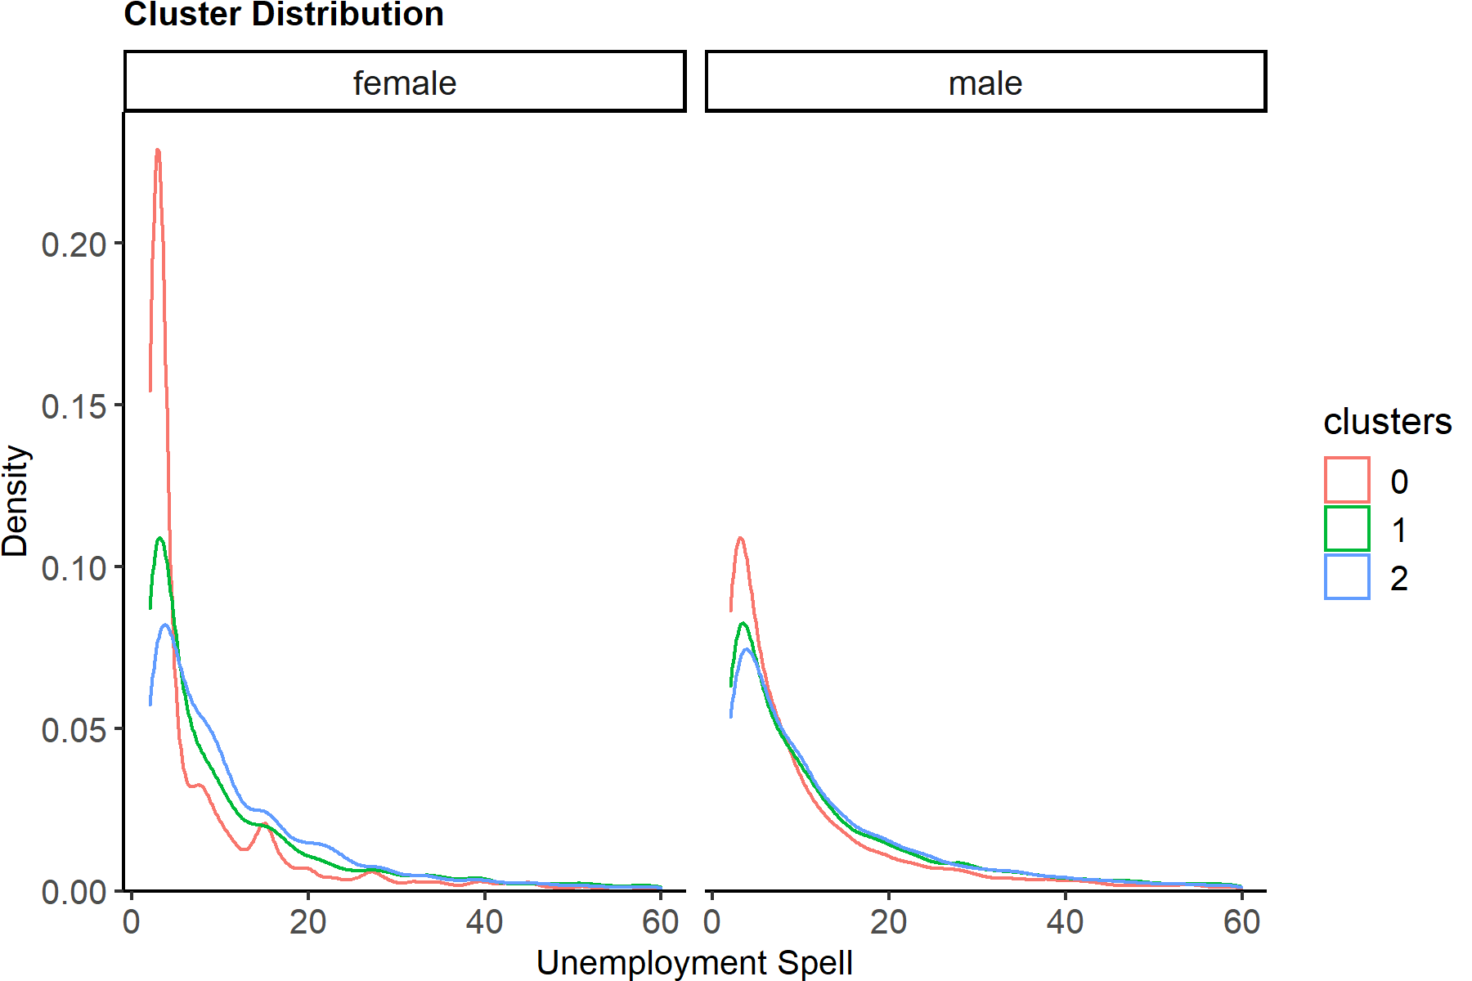
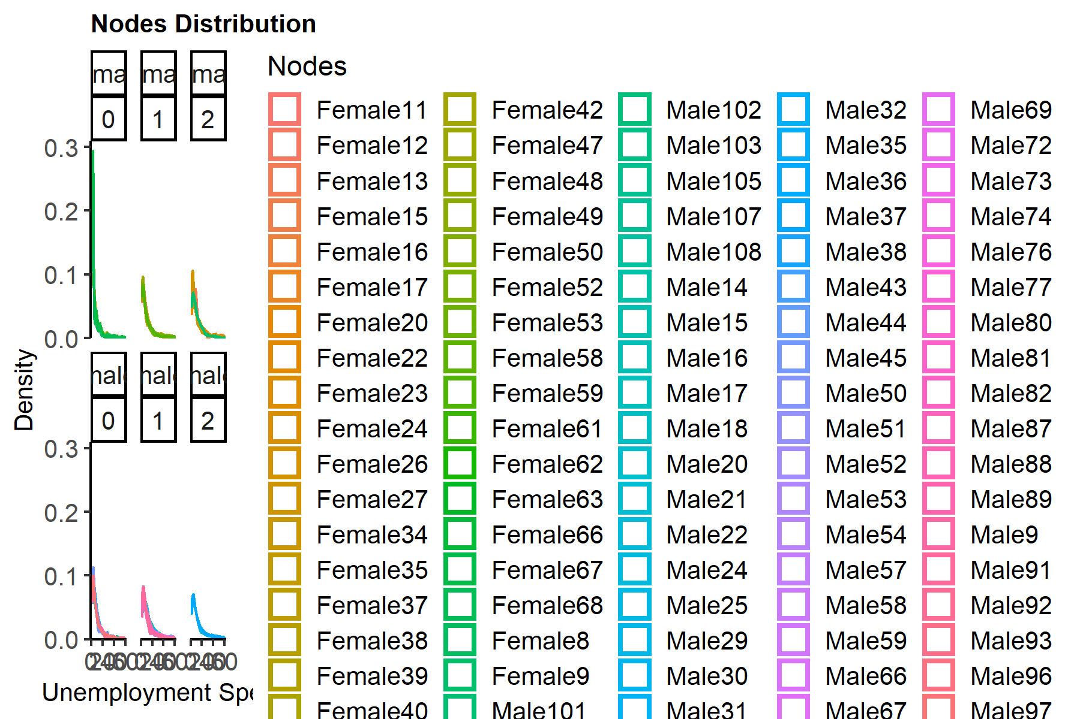

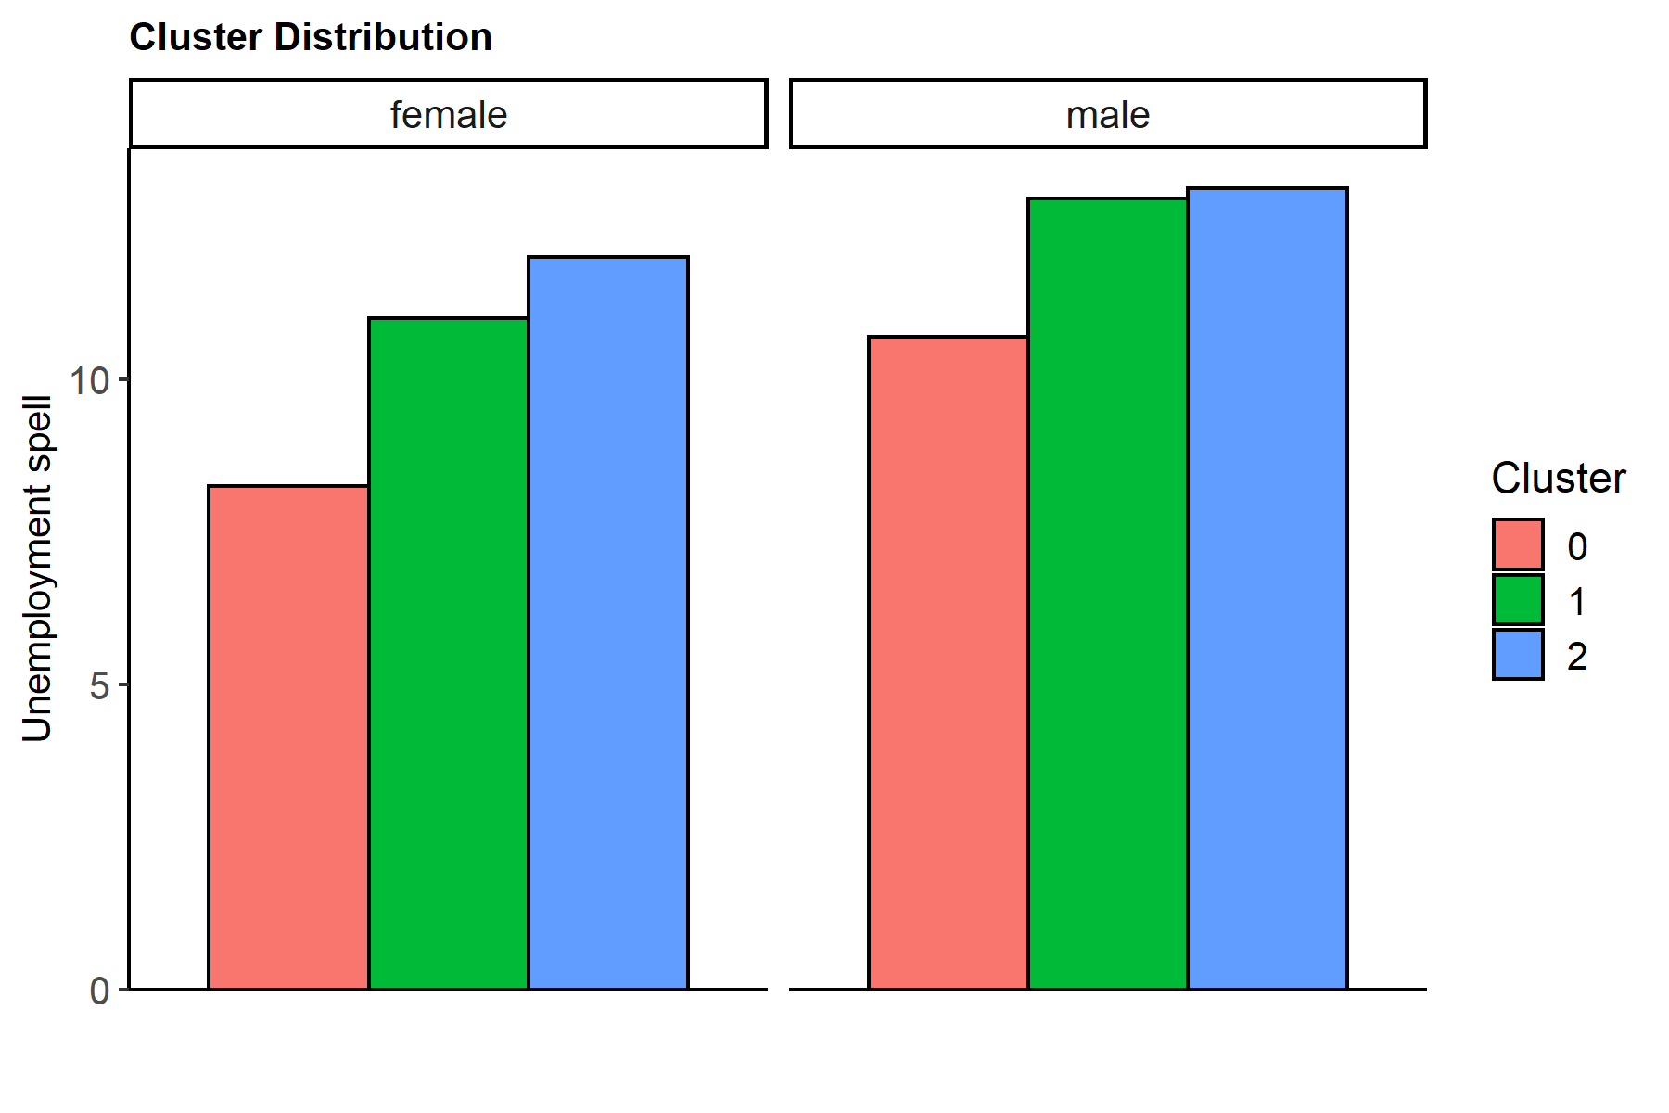
clusters | female | male
0 | 8.2460007257 | 10.700636529
1 | 10.999799018 | 12.959263966
2 | 12.012686681 | 13.133565994

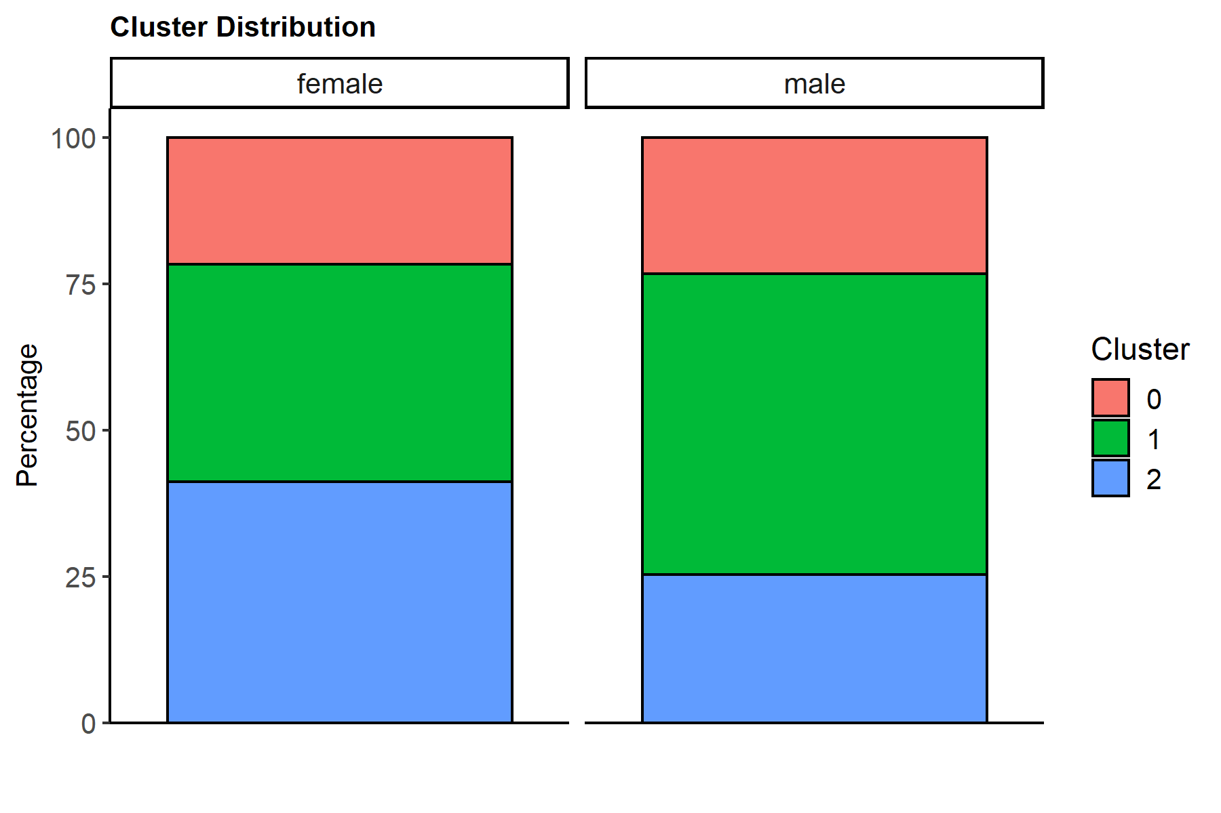
clusters | female | male
0 | 3534 | 8021
1 | 6074 | 17643
2 | 6727 | 8712

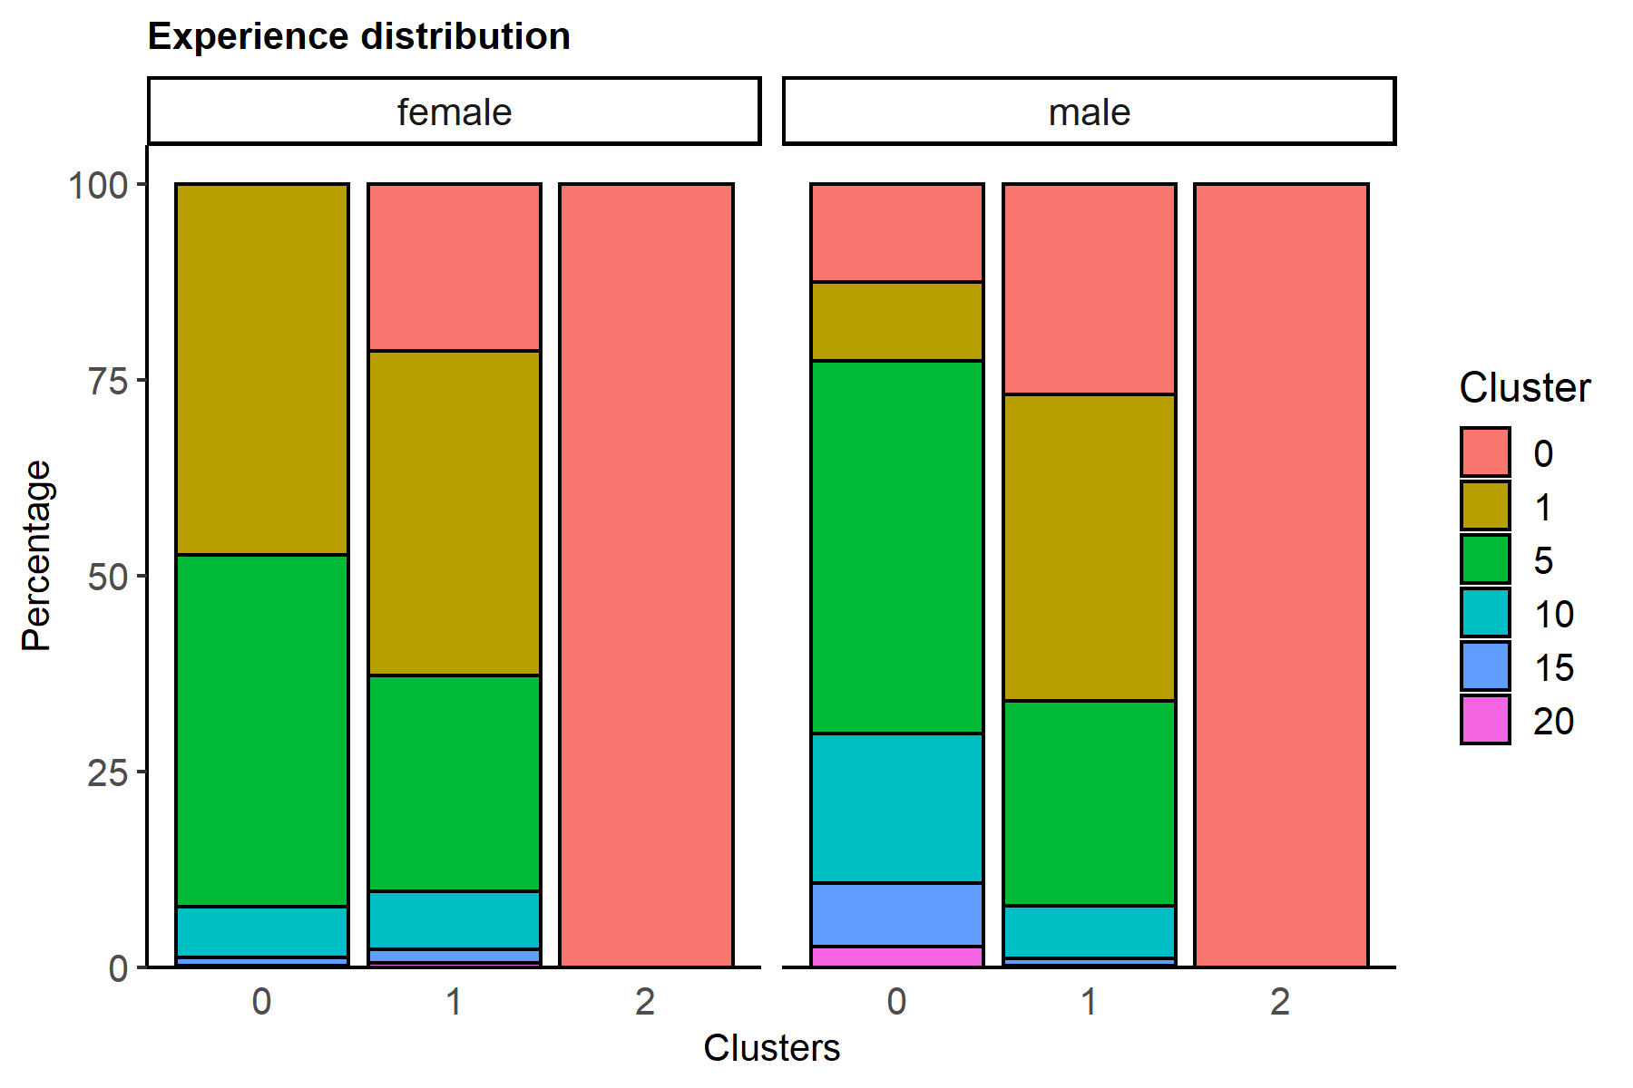
clusters | gender | 0 | 1 | 5 | 10 | 15 | 20
0 | female |  | 47.340124505 | 44.93491794 | 6.5365025467 | 0.9337860781 | 0.25466893039
0 | male | 12.517142501 | 10.123426007 | 47.575115322 | 19.074928313 | 8.0663258945 | 2.6430619623
1 | female | 21.320381956 | 41.488310833 | 27.51070135 | 7.3592360882 | 1.7451432335 | 0.57622653935
1 | male | 26.888851102 | 39.120331009 | 26.174686845 | 6.6485291617 | 0.99189480247 | 0.17570707929
2 | female | 100
2 | male | 100

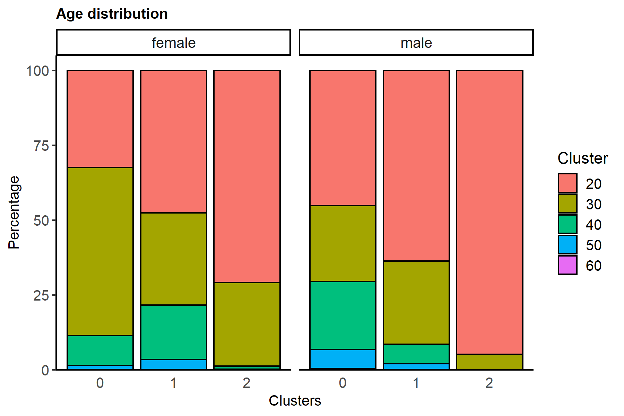
clusters | gender | 20 | 30 | 40 | 50 | 60
0 | female | 32.427843803 | 56.112054329 | 10.045274477 | 1.3865308432 | 0.028296547821
0 | male | 45.168931555 | 25.370901384 | 22.690437601 | 6.3084403441 | 0.46128911607
1 | female | 47.629239381 | 30.73756997 | 18.142904182 | 3.4573592361 | 0.03292723082
1 | male | 63.71365414 | 27.710706796 | 6.5748455478 | 1.8874341098 | 0.113359406
2 | female | 70.87854913 | 27.917348001 | 1.0405827263 | 0.14865467519 | 0.014865467519
2 | male | 94.823232323 | 5.1767676768

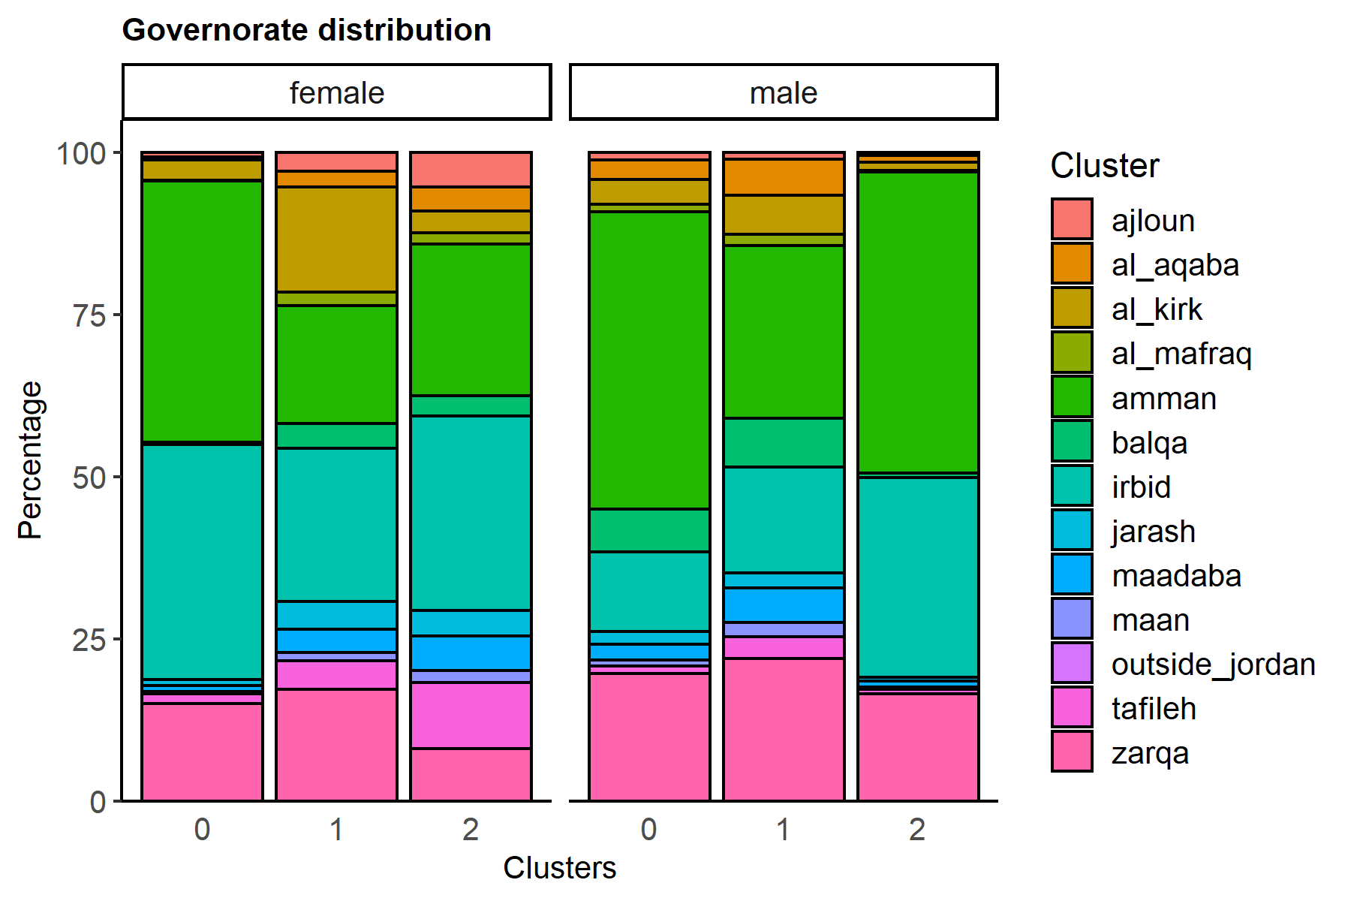
clusters | gender | ajloun | al_aqaba | al_kirk | al_mafraq | amman | balqa | irbid | jarash | maadaba | maan | outside_jordan | tafileh | zarqa
0 | female | 0.70741369553 | 0.42444821732 | 3.1126202603 | 0.19807583475 | 40.209394454 | 0.42444821732 | 36.219581211 | 0.90548953028 | 0.87719298246 | 0.42444821732 |  | 1.4714204867 | 15.025466893
0 | male | 1.2217927939 | 2.9796783443 | 3.8149856626 | 1.1095873333 | 45.829697045 | 6.6325894527 | 12.317666126 | 1.9698291984 | 2.3812492208 | 0.95998005236 | 0.012467273407 | 1.1345218801 | 19.635955617
1 | female | 2.9634507738 | 2.3542970036 | 16.233124794 | 2.0250246954 | 18.225222259 | 3.8524860059 | 23.641751729 | 4.1817583141 | 3.6713862364 | 1.2018439249 |  | 4.4287125453 | 17.220941719
1 | male | 1.0485745055 | 5.5149351017 | 6.0930680723 | 1.7173950009 | 26.611120558 | 7.5384004988 | 16.306750553 | 2.2955279714 | 5.4015756957 | 2.1084849515 | 0.0170039109 | 3.440457972 | 21.906705209
2 | female | 5.3664337743 | 3.7015014122 | 3.3001337892 | 1.8135870373 | 23.338784005 | 3.1068827115 | 30.043109856 | 3.9096179575 | 5.3664337743 | 1.7392596997 |  | 10.257172588 | 8.0570833953
2 | male | 0.42470156107 | 1.1248852158 | 1.2396694215 | 0.26400367309 | 46.338383838 | 0.79201101928 | 30.693296602 | 0.65426997245 | 0.87235996327 | 0.39026629936 |  | 0.70018365473 | 16.505968779

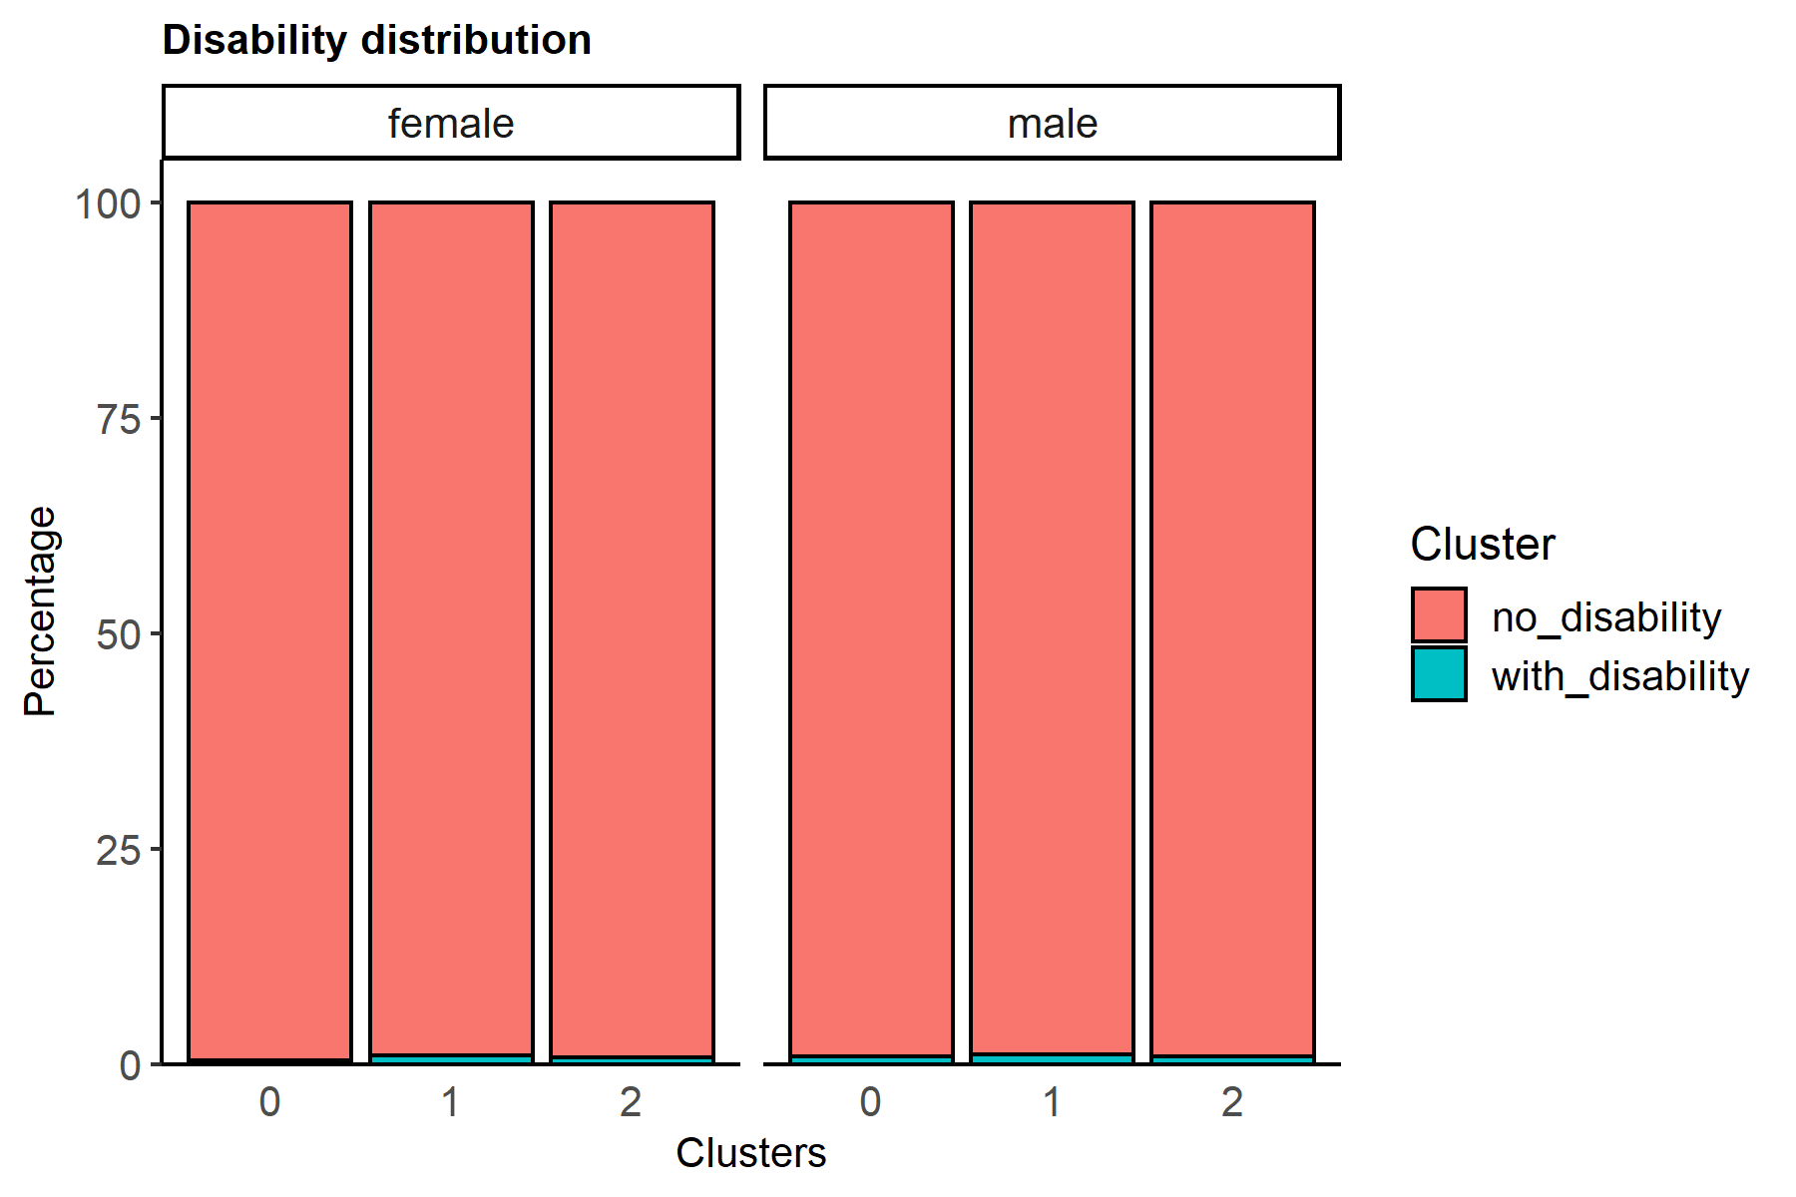
clusters | gender | no_disability | with_disability
0 | female | 99.575551783 | 0.42444821732
0 | male | 99.089889041 | 0.91011095873
1 | female | 98.99571946 | 1.00428054
1 | male | 98.889077821 | 1.1109221788
2 | female | 99.241861157 | 0.75813884347
2 | male | 99.116161616 | 0.88383838384

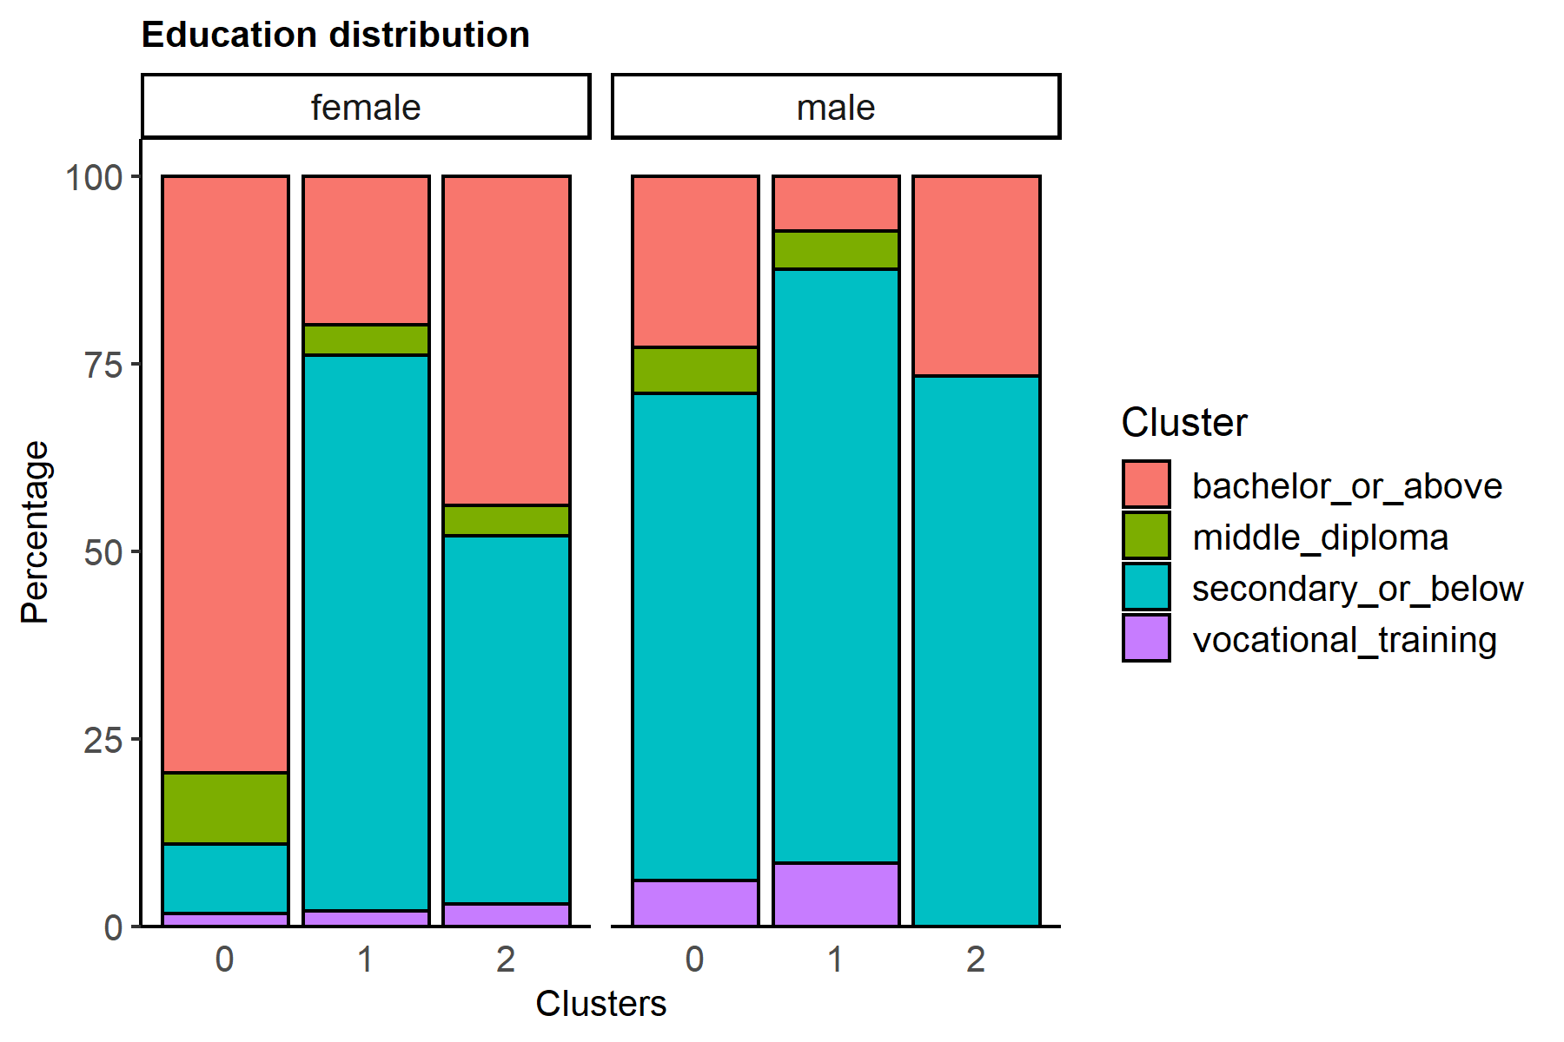
clusters | gender | bachelor_or_above | middle_diploma | secondary_or_below | vocational_training
0 | female | 79.598189021 | 9.3944538766 | 9.337860781 | 1.6694963214
0 | male | 22.864979429 | 6.059094876 | 64.979428999 | 6.0964966962
1 | female | 19.838656569 | 4.0335857754 | 74.036878499 | 2.0908791571
1 | male | 7.277673865 | 5.0955052996 | 79.255228703 | 8.3715921329
2 | female | 43.897725583 | 3.9988107626 | 49.100639215 | 3.0028244388
2 | male | 26.60697888 |  | 73.39302112

